Instructions
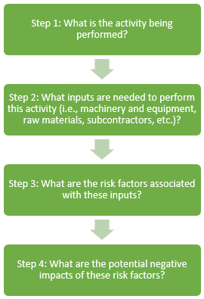
Instructions: Use this Master Risk Identification Excel Tool to help you complete steps 1 through 4 of the process mapping exercise included in the ESMS General Toolkit. The objective of this tool is to provide examples of typical risks that can occur in your operations and help you think about other risks that are specific to your particular operation. You should apply this tool to each activity within each process as needed. Start with the tab "Activities and Inputs," and list all activities you will conduct throughout the life cycle of your company's operations or project and the inputs required for each activity (for example, tools and equipment, raw materials, people). Identifying the inputs will help you assess the risks. For example, using heavy equipment can potentially injure the operator; using hazardous materials presents the risk of spills. This exercise will satisfy step 1 and step 2 of the process mapping exercise. Next, move through the tabs "Labor and Working Conditions," "Environment," "Community Health and Safety," "Social," and "Supply Chain." Consider each risk factor in the drop-down menu carefully, determine if it applies to your activity, and then answer Yes or No (or n.a. if the risk factor does not apply). Completing this exercise will satisfy step 3 of the process mapping. The Master Risk Identification Excel Tool will not tell you whether the risk factor has led to a negative impact on your company or project, but it will call attention to the specific risk factors that are most likely to result in negative impacts (step 4 of process mapping). Use this information to focus your attention on those risk factors, and decide what actions are needed to prevent potential negative impacts or respond to any that occur. The risk factors you identify can result in direct impacts to your company or project (for example, impacts to scope, reputation, cost, timeline, and quality of milestones, outputs, or results); or impacts to external receptors

Proccess Mapping Flow Chart

