Turbine DWP instruction
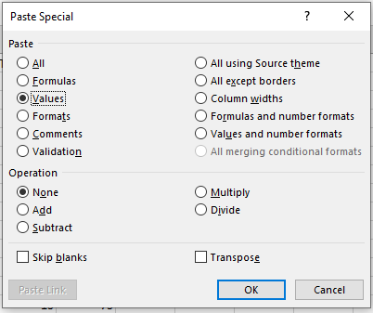
Turbine Density Weighted Proportion (DWP) Calculation Tool
The 'Turbine DWP' worksheet will calculate an adjustment for unsearched area at sample turbines
(Please refer to the Good Practice Handbook Section 3.3.7.1 & Box 3.4 for further information on DWP and the DWP tool)
Data input cells are colored blue
Data check cells are colored yellow
DWP output data cells are colored red
General
Separate searched area adjustments should be calculated for each different type of WEF turbine , because the searched area adjustment may vary based on turbine size. This is best achieved by using a separate copy of the ‘Appendix B DWP and Searcher Efficiency Placement Tools’ spreadsheet for each type of WEF turbine. To avoid DWP calculation errors, do not copy the ‘Turbine DWP’ worksheet only.
Separate searched area adjustments should be calculated if turbines operate differently during different periods (i.e. with different cut-in speeds or with curtailment on demand). This is best achieved by using a separate copy of the ‘Appendix B - DWP and Searcher Efficiency Placement Tools’ spreadsheet for each type turbine operation. To avoid DWP calculation errors, do not copy of the ‘Turbine DWP’ worksheet only.
The worksheet is configured for a maximum of 100 turbines. If your study includes more than 100 searched turbines, use this spreadsheet for turbines 1-100 and then a separate copy of the ‘Appendix B - DWP and Searcher Efficiency Placement Tools’ spreadsheet for turbines 101-200. To avoid errors do not attempt to extend a 'Turbine DWP' worksheet to calcluate more than 100 turbine DWP values
The worksheet is configured for a maximum search radius of 250 m. In the unlikely event that you have a larger search radius, seek help from a statistician.
How to use the 'Turbine DWP' worksheet
1. Enter the proportion of area searched data into cells L12 to DG61 on the Turbine DWP data entry tab.
* The proportion of area searched is a number between 0 and 1 (a percentage divided by 100) and needs to be estimated for each 5 m wide ring around the turbine.
* 5 m wide rings are indicated in column F.
* If the proportion of area searched is less than 0.01, it is treated as a zero.
* Turbines with no search effort should be left blank, not populated with zeros.
Data checks
* The average proportion of area searched within each 5 m wide ring across the wind farm is given in column E (e.g. E12 gives the average proportion of area searched for the 0-5 m ring across all turbines)
* The number of turbines contributing to the average proportion of area searched is given in column D. Ensure that this number is equal to the number of turbines searched during the PCFM study.
* A 'zero search effort' warning is given in row 10 for any turbine that has zero search effort. Ensure that all searched turbines are included.
2. Enter the number of carcasses found of each size class (columns G to J) in the appropriate rows in based on the distance of the carcasses from the turbines.
Data check
Column K will perform a check to ensure that no carcasses are indicated where there is zero search effort. Be sure to check column K to see that there are no errors. Errors are indicated with the message: 'Carcasess associated with zero search effort! No error is indicated by message 'OK'
3. Select a size class to obtain searched area adjustments in cell B11 (a drop-down box)
4. Copy turbine IDs and DWP values from cells A11 to B111 and paste as values* into a separate spreadsheet for use in GenEst.
5. You will need to repeat steps 3 and 4 for each size class of carcass, because searched area adjustments will be different for each size class
* To paste as values, right click in a cell, choose "Paste Special..." and then select the "Values" radio button under Paste. Finally, select "OK"

Appendix D. Density Weighted Proportion (DWP) Calculation Tool and Searcher Efficiency Placment Tool is a PCFM design resource provided as part of IFC 2023. Post-construction Bird and Bat Fatality Monitoring for Onshore Wind Energy Facilities in Emerging Market Countries. Good Practice Handbook and Decision Support Tool.

Date | Version | Comment
2023-12-06 | 1.1 | Corrects a bug that would have resulted in underestimates of DWP at turbines and overestimates of fatality.

OHL DWP instruction
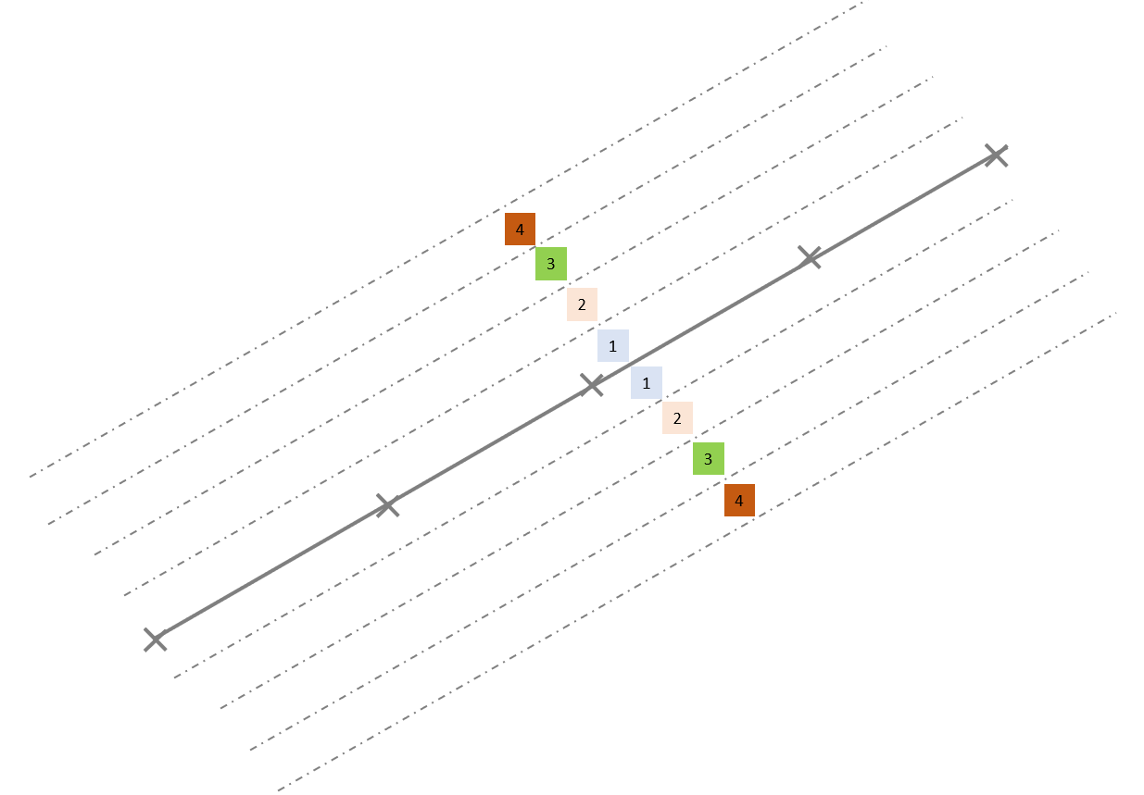
OHL Density Weighted Proportion (DWP) Calculation Tool
The 'OHL DWP' worksheet will calculate an adjustment for unsearched area for OHL sample search plots
Data input cells are colored blue
Data check cells are colored yellow
OHL DWP output cell is colored red
1. Enter maximum line height (m) in cell B5
2. Check in cell B6 that the default flight speed of 18 m/s is appropriate for the species of interest and change if necessary.
*For reference, the flight speeds of some of the faster birds in each group are given below:
Swans, ducks and geese: 22 m/s
Flamingos, pigeons and swifts: 16 m/s
Waders, gulls and terns: 20 m/s
Divers, comorants, pelicans, herons, storks and cranes: 19 m/s
Falcons, crows and songbirds: 16 m/s
Hawks, eagles, osprey and bee-eater: 14 m/s
Reference (Alerstam T, Rosén M, Bäckman J, Ericson PGP, Hellgren O (2007) Flight Speeds among Bird Species: Allometric and Phylogenetic Effects. Supporting Information. Protocol S1. PLOS Biology 5(8): e197. https://doi.org/10.1371/journal.pbio.0050197 )
2. Enter the average proportion of area searched at each distance from the plot center line in cells B9 to B258.
3. Enter the number of carcasses found at each distance from the plot center line in cells C9 to C258
Data check
Cells D9 to D258 will indicate if there are carcasses associated with no search effort. If so. an error message 'Cannot have a carcass associated with zero search effort' is displayed. Ensure that all cells in the D9 through D258 range display "OK".
Note that the proportion of the area searched and carcass found data should take account of equivalent distance bands on both sides of the centreline.
For example, The proportion of area searched in the 3-4 m distance band (indicated by green squares on figure below) = 1 - (total 3-4 m unsearched area above and below centreline / total 3-4 m search area above and below the centreline)
4. Copy the DWP value from cell E5 for use in GenEst.
* Cell E5 indicates whether it was calculated with a ballistic model (if there were fewer than 20 carcasses) or directly from the carcass data (if there were 20 or more carcasses).

Appendix D. Density Weighted Proportion (DWP) Calculation Tool and Searcher Efficiency Placment Tool is a PCFM design resource provided as part of IFC 2023. Post-construction Bird and Bat Fatality Monitoring for Onshore Wind Energy Facilities in Emerging Market Countries. Good Practice Handbook and Decision Support Tool.

SE Trial Placement instruction
Searcher Efficiency (SE) Trial Placement Tool
The Searcher Efficiency Trial Placement Tool worksheet will generate random SE trial placement distances and bearings from a turbine.
Data input boxes are colored blue
Search method box is colored green
Output data boxes are colored red
1. Enter the maximum search radius in cell B5. Maximum search radius is usually defined based on how far surveyors can reasonably see from a wind turbine. A maximum search radius of 100 m will capture about 94% of all carcasses and a maximum search radius of 150 m will capture about 99% of all carcasses. The tool will not generate distances beyond 250 m.
2. Enter the planned number of trials in cell B6. The tool can generate up to 500 distances for trial carcasses. In the unlikely event that you require more than 500 distances for trials, you will need to run the tool multiple times and copy the output (see Step 3 below) into a separate spreadsheet or text document. The tool will generate a new random selection of distances every time any cell value is changed, or upon pressing the F9 key.
3. Select the trial type in cell B7 (click in the cell to select from a drop-down box). The tool will generate distances for trial carcasses from a distribution that is optimal for the trial type being placed.
4. Trial ID, carcass distances and bearings can be copied from columns D to F columns and pasted directly into a text-based software (such as Microsoft Word) or pasted as values* into another MS Excel spreadsheet. For RAP searches, a random bearing may place the carcass outside of the search area, so no bearings are given for RAP searches; trial administrators should ensure that the carcass is somewhere on the RAP surface at the correct distance.
* To paste as values, right click in a cell, choose "Paste Special..." and then select the "Values" radio button under Paste. Finally, select "OK"

Appendix D. Density Weighted Proportion (DWP) Calculation Tool and Searcher Efficiency Placment Tool is a PCFM design resource provided as part of IFC 2023. Post-construction Bird and Bat Fatality Monitoring for Onshore Wind Energy Facilities in Emerging Market Countries. Good Practice Handbook and Decision Support Tool.

